HOME
CHOOSE YOUR TRUSS ESTIMATE

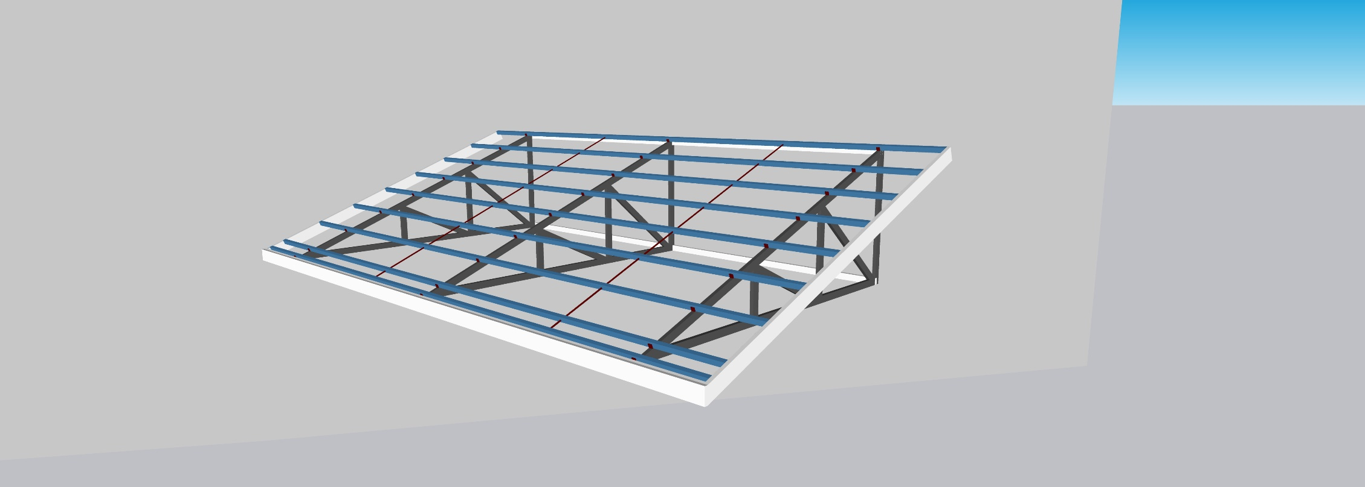
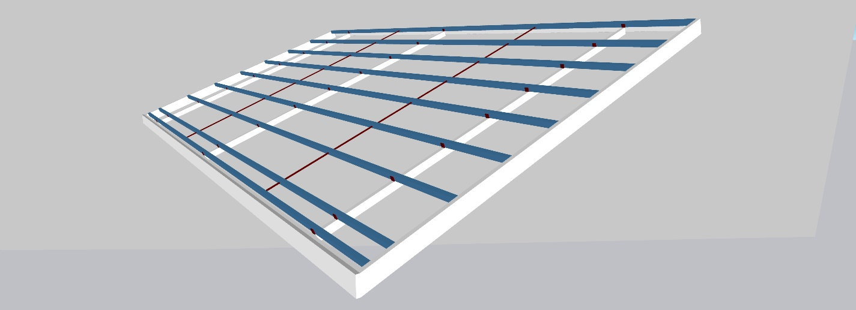
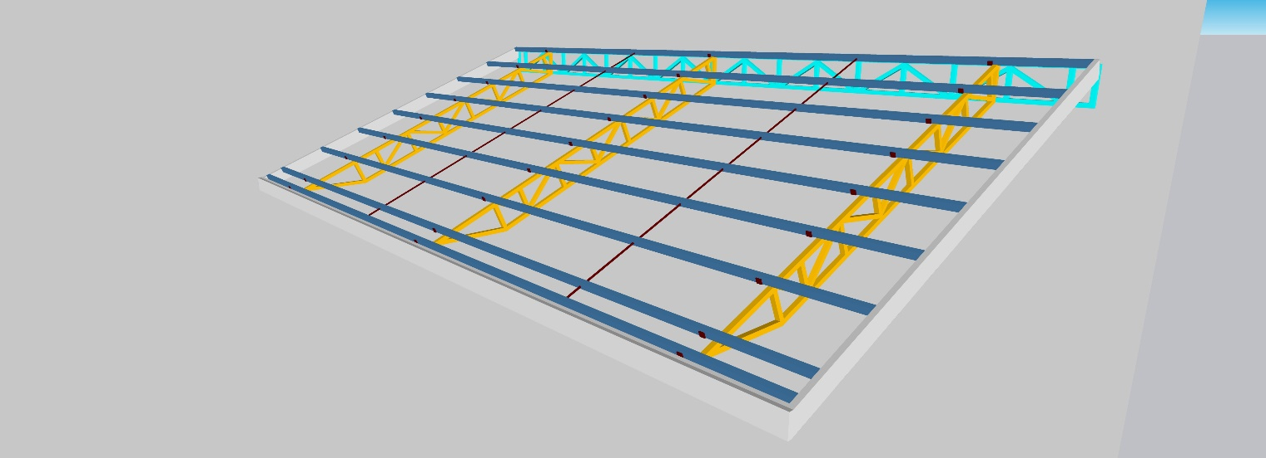


TRIANGULAR FRAME TRUSS
PLAIN TRUSS
RECTANGULAR TRUSS
FAMILY PLANNING TRUSS

Triangular Frame
TRIANGULAR FRAME TRUSS
SAGRODS
PURLINS CLEAT
INPUT ON GRAY CELLS ONLY
TRUSS SPACING

ROOFING DIMENSIONS | ♦
Length | 4.00 | m | 4.00
Width | 4.00 | m | 0.67
GO HOME
Height | 2.00 | m
Trusses Spacing | 2.00 | m

HEIGHT
TRUSS DETAILS | ♦
No. of Trusses | 3 | pcs
Half or Full Truss? | Half | <--- Dropdown List | 1.00

Truss Material | Angle_Bar | <--- Dropdown List
Material Section | 1/4 x 1 1/2 x 1 1/2 | <--- Dropdown List

WIDTH
LENGTH
PURLINS DETAILS | ♦
Purlins Size | Tubular Purlins 2 x 2 x 1.2 | <--- Dropdown List
Purlins Spacing | 50 | cm

ROOFING DETAILS | ♦
Roofing Thickness | 0.50 | <--- Dropdown List
Choose Roofing Length | 15 | <---Drop Down List Suggested Length -----> | 15 ft

Materials | Quantity | Unit | Price | Total Cost
Angle_Bar 1/4 x 1 1/2 x 1 1/2 | 10.00 | pcs | ₱840.00 | ₱8,400.00
ORDER LIMITATIONS (approximation slight inaccuracy) | Maximum Order of 11 pcs | <------ FOR MAIN TRUSS FRAME ONLY
 | Minimum Order of9 pcs
0.5 thk. G.I. Roofing 15 ft. long | 4.00 | pcs | ₱2,175.00 | ₱8,700.00
HALF TRUSS
FULL TRUSS
Tubular Purlins 2 x 2 x 1.2 | 7.00 | pcs | ₱587.00 | ₱4,109.00
C-Purlins 2 x 8 x 1.2 SENEPA | 3.00 | pcs | ₱1,650.00 | ₱4,950.00
10mm. DIA. x 6m Round Bar (Sagrod) | 1.00 | pcs | ₱205.00 | ₱205.00
0.5 G.I. Gutter with Design | 2.00 | pcs | ₱550.00 | ₱1,100.00
0.5 G.I. Flashing with Design | 2.00 | pcs | ₱550.00 | ₱1,100.00
0.5 G.I. Ridge Roll | 2.00 | pcs | ₱550.00 | ₱1,100.00
Welding Rod | 5.00 | kg | ₱180.00 | ₱900.00
1 1//2" Tekscrew | 64.00 | pcs | ₱2.00 | ₱128.00
1/8 x 1/2 Blind Rivet | 150.00 | pcs | ₱2.00 | ₱300.00
Screwbit | 1.00 | pcs | ₱120.00 | ₱120.00
14" Cut Off Cutting Disk | 1.00 | pcs | ₱300.00 | ₱300.00
Grinding Disk | 1.00 | pcs | ₱75.00 | ₱75.00
Flap Disk Grit 100 | 1.00 | pcs | ₱40.00 | ₱40.00
1/8 Drill Bit | 2.00 | pcs | ₱80.00 | ₱160.00
3/16 x 1 1/2 x 1 1/2 (Purlins Cleat) | 1.00 | pcs | ₱647.00 | ₱647.00
Vulcaseal | 2.00 | liters | ₱550.00 | ₱1,100.00

 |  | TOTAL MATERIALS COST --> |  | ₱25,034.00
 | LABOR COST --> | 35% | of Materials Cost
 |  | TOTAL LABOR COST --> |  | ₱8,761.90

Rectangular Frame
TRUSS SPACING
SAGRODS
PURLINS CLEAT
RECTANGULAR FRAME TRUSS

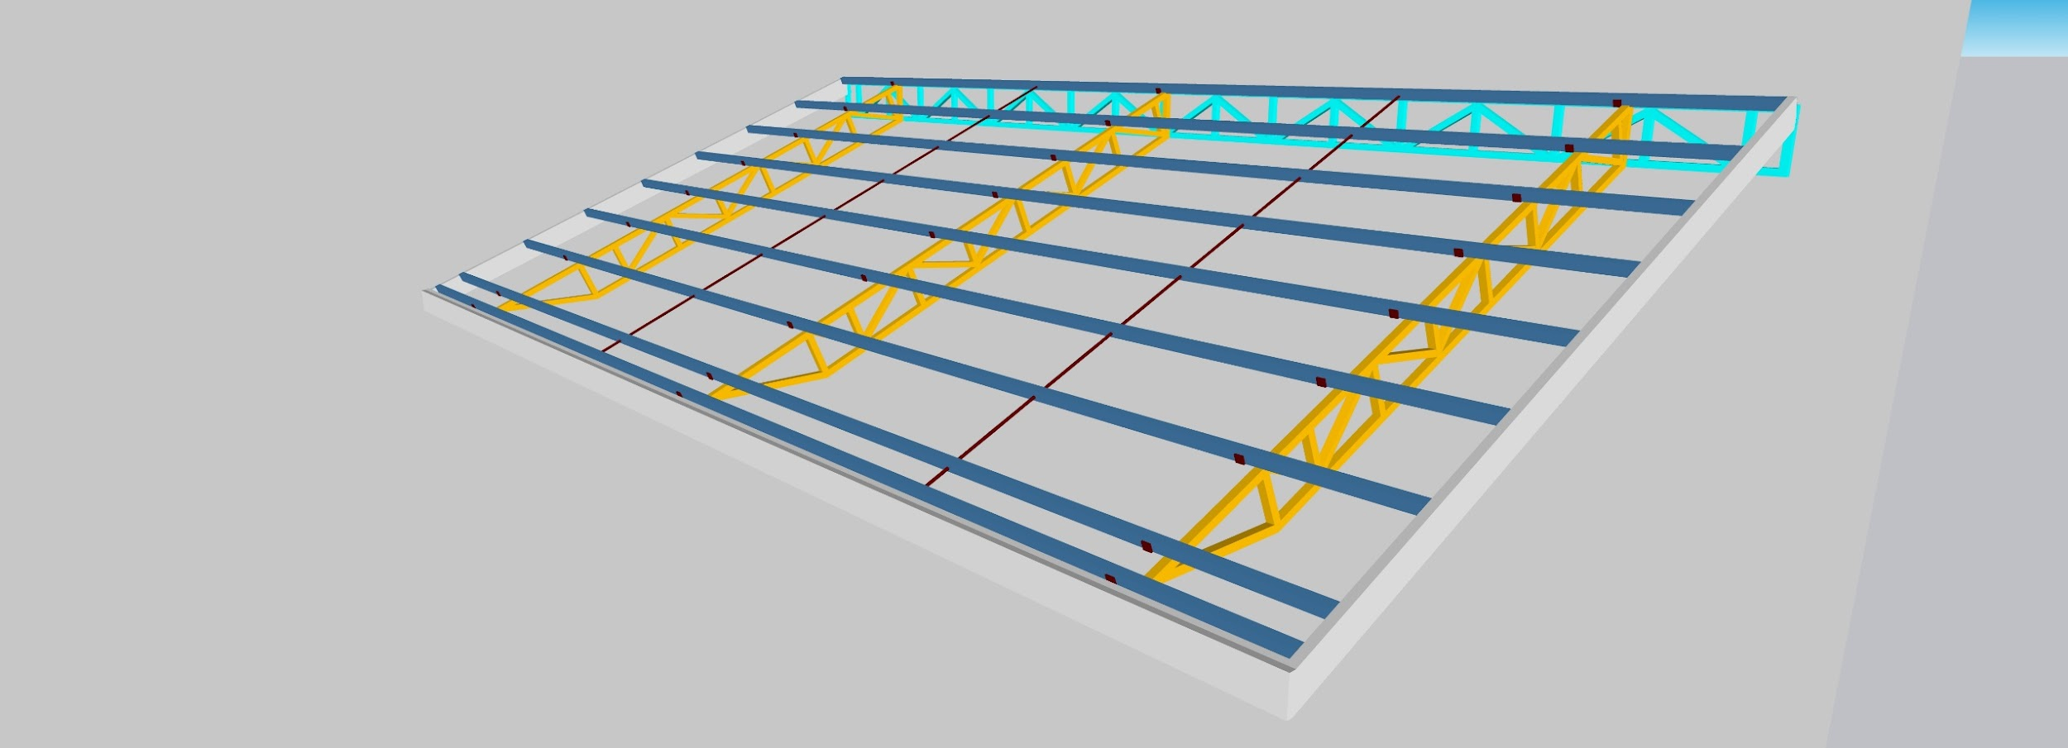
INPUT ON GRAY CELLS ONLY

ROOFING DIMENSIONS | ♦
Length | 6.00 | m | 7.50
Width | 8.00 | m | 1.33
GO HOME
Height | 2.50 | m
Trusses Spacing | 4.00 | m
HEIGHT
TRUSS DETAILS | ♦
No. of Trusses | 3 | pcs
Half or Full Truss? | Half | <--- Dropdown List | 1.00

WIDTH
Truss Material | Tubular | <--- Dropdown List
Material Section | 2 x 4 x 2.0 | <--- Dropdown List

LENGTH
PURLINS DETAILS | ♦
Purlins Size | Tubular Purlins 2 x 2 x 1.2 | <--- Dropdown List
Purlins Spacing | 50 | cm

ROOFING DETAILS | ♦
Roofing Thickness | 0.40 | <--- Dropdown List
Choose Roofing Length | 22 | <---Drop Down List Suggested Length -----> | 22 ft

HALF TRUSS
FULL TRUSS
Materials | Quantity | Unit | Price | Total Cost
Tubular 2 x 4 x 2.0 | 24.00 | pcs | ₱840.00 | ₱20,160.00
ORDER LIMITATIONS (approximation slight inaccuracy) | Maximum Order of 27 pcs | <------ FOR MAIN TRUSS FRAME ONLY
 | Minimum Order of22 pcs
0.4 thk. G.I. Roofing 22 ft. long | 8.00 | pcs | ₱2,530.00 | ₱20,240.00
Tubular Purlins 2 x 2 x 1.2 | 20.00 | pcs | ₱587.00 | ₱11,740.00
C-Purlins 2 x 8 x 1.2 SENEPA | 4.00 | pcs | ₱1,650.00 | ₱6,600.00
10mm. DIA. x 6m Round Bar (Sagrod) | 4.00 | pcs | ₱205.00 | ₱820.00
0.5 G.I. Gutter with Design | 9.00 | pcs | ₱550.00 | ₱4,950.00
0.5 G.I. Flashing with Design | 11.00 | pcs | ₱550.00 | ₱6,050.00
0.5 G.I. Ridge Roll | 4.00 | pcs | ₱550.00 | ₱2,200.00
Welding Rod | 24.00 | kg | ₱180.00 | ₱4,320.00
1 1//2" Tekscrew | 192.00 | pcs | ₱2.00 | ₱384.00
1/8 x 1/2 Blind Rivet | 500.00 | pcs | ₱2.00 | ₱1,000.00
14" Cut Off Cutting Disk | 1.00 | pcs | ₱300.00 | ₱300.00
Grinding Disk | 2.00 | pcs | ₱75.00 | ₱150.00
Flap Disk Grit 100 | 2.00 | pcs | ₱40.00 | ₱80.00
Screwbit | 2.00 | pcs | ₱120.00 | ₱240.00
1/8 Drill Bit | 6.00 | pcs | ₱80.00 | ₱480.00
3/16 x 1 1/2 x 1 1/2 (Purlins Cleat) | 1.00 | pcs | ₱647.00 | ₱647.00
Vulcaseal | 5.50 | liters | ₱550.00 | ₱3,025.00

 |  | TOTAL MATERIALS COST --> |  | ₱63,226.00
 | LABOR COST --> | 35% | of Materials Cost
 |  | TOTAL LABOR COST --> |  | ₱22,129.10

Plain Frame
SAGRODS
PURLINS CLEAT
PLAIN FRAME TRUSS
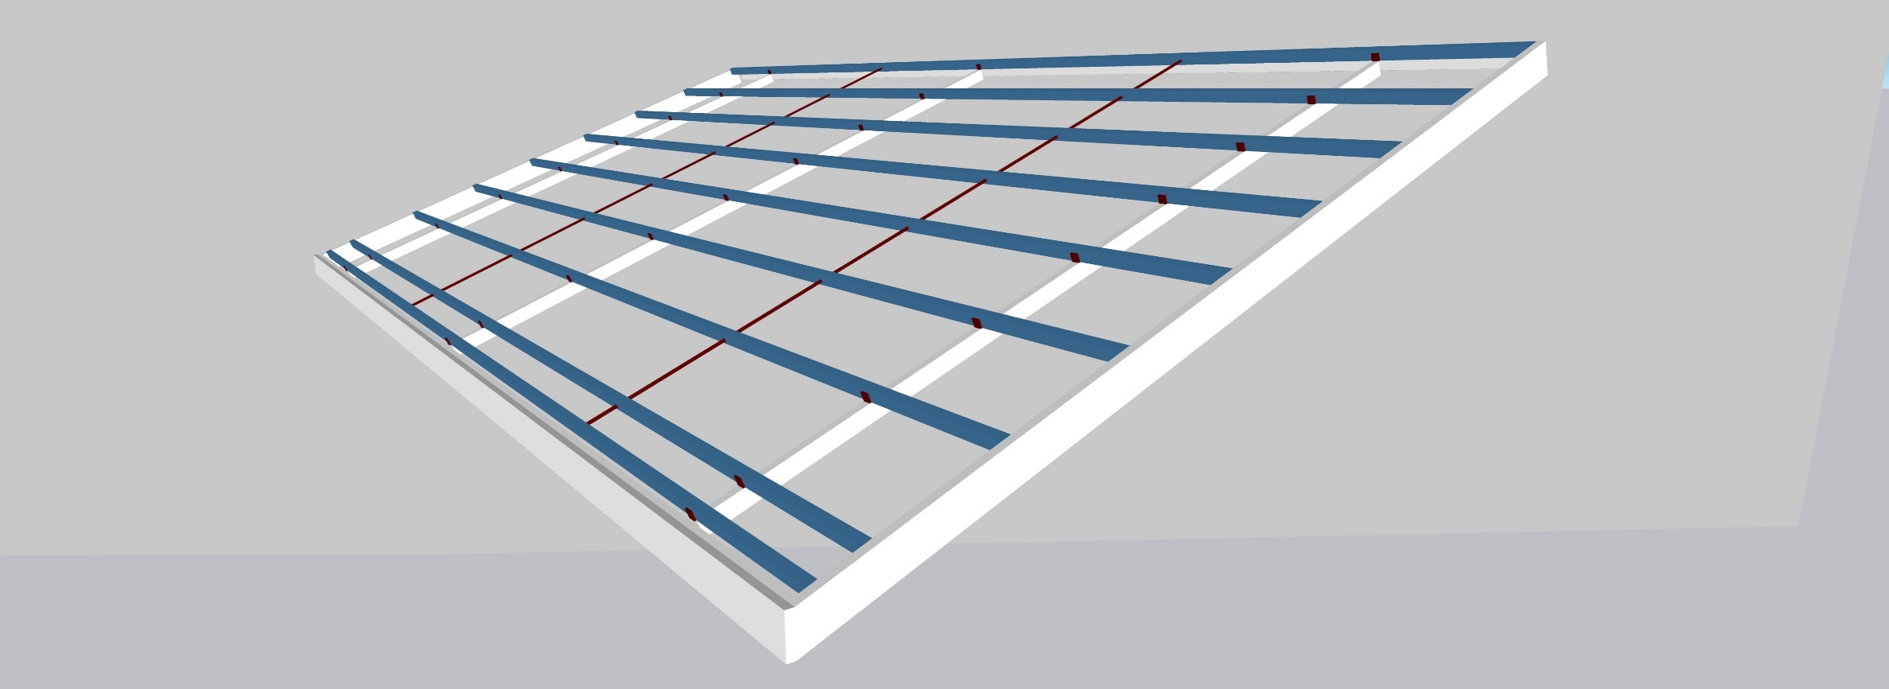
TRUSS SPACING
INPUT ON GRAY CELLS ONLY

HEIGHT
ROOFING DIMENSIONS | ♦
Length | 4.00 | m | 6.00
Width | 4.00 | m | 0.67
GO HOME
Height | 3.00 | m
Trusses Spacing | 2.00 | m

TRUSS DETAILS | ♦
No. of Trusses | 3 | pcs |  | 5
Half or Full Truss? | Half | <--- Dropdown List | 1.00

WIDTH
Truss Material | G.I._Pipe | <--- Dropdown List
Material Section | S20 1 1/4" | <--- Dropdown List
LENGTH
PURLINS DETAILS | ♦
Purlins Size | Tubular Purlins 2 x 2 x 1.2 | <--- Dropdown List
Purlins Spacing | 50 | cm

ROOFING DETAILS | ♦
Roofing Thickness | 0.40 | <--- Dropdown List
Choose Roofing Length | 17 | <---Drop Down List Suggested Length -----> | 17 ft
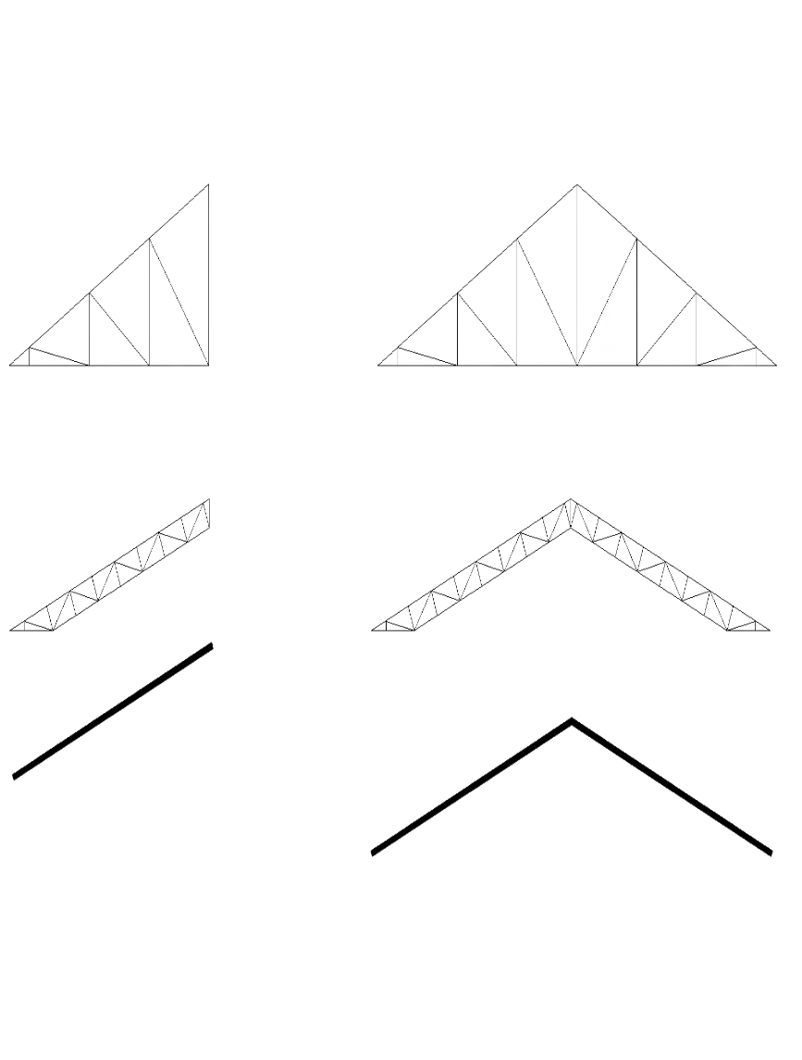
Materials | Quantity | Unit | Price | Total Cost
G.I._Pipe S20 1 1/4" | 4.00 | pcs | ₱840.00 | ₱3,360.00
ORDER LIMITATIONS (approximation slight inaccuracy) | Maximum Order of 5 pcs | <------ FOR MAIN TRUSS FRAME ONLY
HALF TRUSS
FULL TRUSS
 | Minimum Order of4 pcs
0.4 thk. G.I. Roofing 17 ft. long | 4.00 | pcs | ₱1,955.00 | ₱7,820.00
Tubular Purlins 2 x 2 x 1.2 | 8.00 | pcs | ₱587.00 | ₱4,696.00
C-Purlins 2 x 8 x 1.2 SENEPA | 3.00 | pcs | ₱1,650.00 | ₱4,950.00
10mm. DIA. x 6m Round Bar (Sagrod) | 2.00 | pcs | ₱205.00 | ₱410.00
0.5 G.I. Gutter with Design | 5.00 | pcs | ₱550.00 | ₱2,750.00
0.5 G.I. Flashing with Design | 3.00 | pcs | ₱550.00 | ₱1,650.00
0.5 G.I. Ridge Roll | 2.00 | pcs | ₱550.00 | ₱1,100.00
Welding Rod | 3.00 | kg | ₱180.00 | ₱540.00
1 1//2" Tekscrew | 64.00 | pcs | ₱2.00 | ₱128.00
1/8 x 1/2 Blind Rivet | 200.00 | pcs | ₱2.00 | ₱400.00
14" Cut Off Cutting Disk | 1.00 | pcs | ₱300.00 | ₱300.00
Grinding Disk | 1.00 | pcs | ₱75.00 | ₱75.00
Flap Disk Grit 100 | 1.00 | pcs | ₱40.00 | ₱40.00
Screwbit | 1.00 | pcs | ₱120.00 | ₱120.00
1/8 Drill Bit | 2.00 | pcs | ₱80.00 | ₱160.00
3/16 x 1 1/2 x 1 1/2 (Purlins Cleat) | 1.00 | pcs | ₱647.00 | ₱647.00
Vulcaseal | 2.00 | liters | ₱550.00 | ₱1,100.00

 |  | TOTAL MATERIALS COST --> |  | ₱26,886.00
 | LABOR COST --> | 35% | of Materials Cost
 |  | TOTAL LABOR COST --> |  | ₱9,410.10

